Index


 |  | -2
Customer Information Questionnaire (CIQ)

Nokia Cloud Mobility Manager (CMM)

New Project/Expansion | Nokia VIL_POC 5G LAB Blue print
Version | v0.1
Last revised | 15th May-2021
Site(s) | Ahmedabad LAB

Content
S.no | Table content | Remarks
1 | CMM (QA) CIQ | VIL_POC IP Planner To fill in / Confirm

 | LEGEND
 | VIL_POC Team to fill-in
 | CMM Team will populate the details - VIL_POC Team to confirm/add/modify if neccesary
 | Default

CMM_Resource_requirment
Index | Application/Function name | Total Number of VNF/CNF | VM name | VM Quantity per VNF/CNF | vCPU/VM | vRAM/VM {GB} | vDISK/VM {GiB} | Min number of Availability Zones Required
 | AMF/MME | 1 | NECC | 3 | 8 | 32 | 400 | 1
 |  |  | IPDS | 2 | 20 | 40 | 10 | 1
 |  |  | CPPS 4G | 2 | 10 | 30 | 10 | 1
 |  |  | CPPS 5G | 2 | 10 | 30 | 10 | 1
 |  |  | DBS | 2 | 8 | 28 | 10 | 1

 | CMM Openstack Requirements

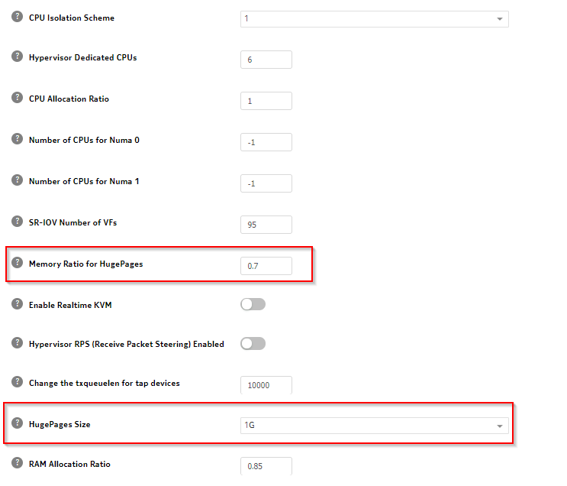
 | Openstack Requirements |  |  |  |  |  |  |  | Input Required from Cloud Team for preparing vNF Layout
 |  |  |  |  |  |  |  |  | Minimum Number of Computes: | 5
 |  |  |  |  |  |  |  |  | Cores per socket | ??
 |  |  |  |  |  |  |  |  | pRAM (GB) | ??

